Equations
 | Source: Randy Culp. |  | Site

 | Compiled by: Hans Sassenburg. |  | Email

 | Latest update: 23th February, 2024. |  | V1.1

 | This spreadsheet is an implementation of the powerful and very practical telescope equations defined and derived by Randy Culp (see Source). The equations with some additions are shown below. It is important to note, that telescope specifications (including eyepiece and multiplier) can be derived from a limited number of input parameters (shown in yellow below): the operating points including some special cases. In the following two worksheets, a user is enabled to see from values for the input parameters what the "yield" is in terms of magnitude, eyepiece focal length, exit pupil diameter and surface brightness. This allows one to quickly assess whether a combination of telescope with chosen eyepiece and multiplier makes sense or not. For feedback and/or suggestions, please feel free to contact me (see Email).

 | Note that all non-input cells in this spreadsheet are not protected, so make sure you do not accidentally modify them, as this may affect calculations. But, feel free to modify this spreadsheet according to your own views/experiences. Again, for feedback and/or suggestions, please feel free to contact me (see Email).

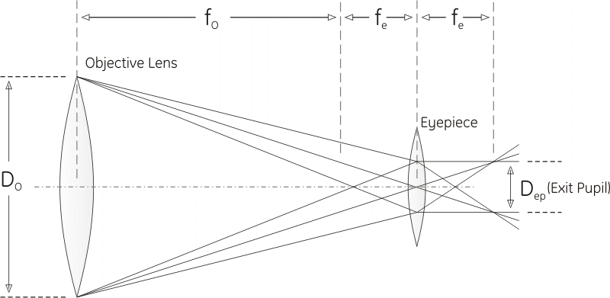
 | Symbol | Meaning | Equation | Explanation
Telescope parameters | DO | Diameter of the objective | - | The "objective" can be either the large lens at the front of the telescope (in a refractor) or the large mirror at the back of the telescope (in a reflector).
 | fR | f-Ratio | - | The ratio of the focal length to the diameter of the objective. so it is the number of lens diameters from the lens to its focal point. This is written "f/" and then the value (or along with the diameter of the objective to describe the scope).
 | fO | Focal length of the objective | fo = fR x Do | The distance from the center of the objective lens (or mirror) to the point at which incoming light is brought to a focus. This diameter can be calculated directly from the 2 basic parameters of a telescope.
Eyepiece parameters | fe | Focal length of the eyepiece | - | The distance from the center of the eyepiece lens to the point at which light passing through the lens is brought to a focus.
 | FOVe | Field of view of the eyepiece | - | A measure of the area you can see when looking through the eyepiece alone. This is expressed as the angle from one side of the area to the other (with you at the vertex). The parameters fe and FOVe are the two primary eyepiece specifications.
 | M | Magnification | M = fo / fe = Do / Dep | The apparent increase in size of an object when looking through the telescope, compared with viewing it directly.
 | Dep | Diameter of the exit pupil | Dep = Do / M = fe / fR | The exit pupil is where the light leaving the eyepiece converges to its smallest circle. You find the exit pupil when you bring your eye up to the eyepiece until you can see the whole image. | 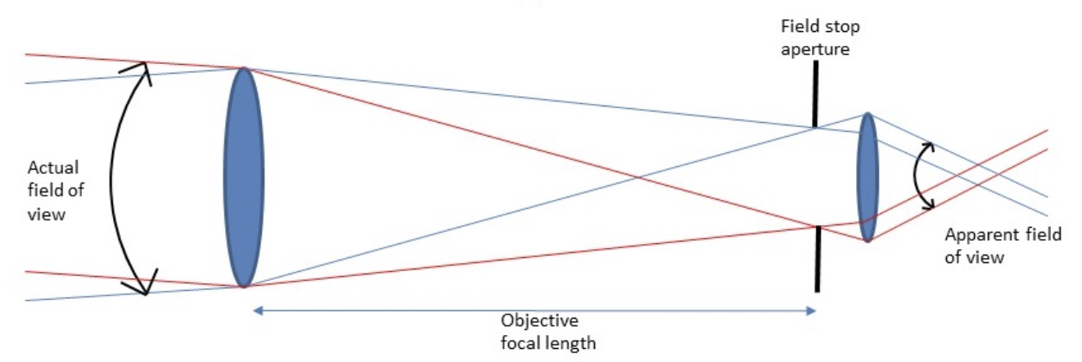
 | FOVscope | Field of view of the scope | FOVscope = FOVe / M | Tells you how much of the sky you see in the image in the telescope. This is the distance from one side of the eyepiece image to the other, expressed in degrees or minutes of arc across the sky.
 | Gmag | Magnitude (Scope) Gain | Gmag = 5 log (Do/Deye) = 5 log(Do) - 4 | This represents how many more magnitudes the scope lets one see, over and above what one's eye alone can see. Then to find the faintest magnitude one can see in the scope, the calculated value (taking 7 mm for the eye diameter) is added to the faintest magnitude our eye can see, magnitude 6. This is the (star) magnitude limit of the scope, see below.
 | Lmag | Star magnitude limit | Lmag = 2 + 5 log (Do) | The faintest star you can see in the scope, expressed in terms of star magnitude. The majority of visible stars have magnitudes in the range of 1-6, where the brightest stars have the lowest magnitude number 1, and the faintest ones magnitude 6.
 | PR | Resolving Power | PR = 115.8 / Do or PR = 138 / Do | The smallest separation between two stars (called Dawes' Limit resp. Rayleigh Limit) that can possibly be distinguished with the scope, expressed in arc seconds (1/21'600 of a turn). This is an indication of the finest detail the scope is capable of seeing, regardless of the magnifying power.
 | GL | Light Crasp | GL = ( Do / Deye ) 2 | Tells you how many times bigger the area of the scope is to the area of the human eye. What the telescope does is to collect light over a much wider area than the 7mm of your eye pupil. It then focuses that light down to the size of your eye pupil resulting in much more light passing into your eye, enabling you to see much fainter stars with a telescope than you could without.
 | Mmax | Max Magnification | Mmax x PR = 115.8 -> Mmax = Do | The Dawes' Limit determines the smallest separation between two stars that the telescope can resolve (see Resolving Power). Then for a person to see that separation, the telescope needs to magnify the separation to one the eye can resolve, which is 2 minutes of arc, or 120 arc seconds.
 | fe-min | Eyepiece for Mmax | fe = fo / Mmax = fo / Do = fR | The eyepiece focal length to get the maximum magnification can be found by just looking at the f-ratio for the scope. When using an eyepiece with a focal length in mm that matches the f-ratio, you will clearly see the rings of the Airy disk, telling you that you are operating at limit of the scope's resolution.
 | SB | Surface Brightness | SB = 2 Dep2 | This is the brightness (density) of bodies that cover an area, such as planets, nebulae and galaxies. These are distinct from bodies that appear as points, such as stars or asteroids. When an object has area, that area gets larger as magnification is increased, so the light is spread thinner. As a result, surface brightness decreases with increasing magnification.
Multiplier | Extender | Focal extender (Barlow) | factor x M | A focal extender (Barlow) lens may be placed before an eyepiece to effectively decrease the eyepiece's focal length by the amount of the Barlow's divergence. Since the magnification provided by a telescope and eyepiece is equal to the telescope's focal length divided by the eyepiece's focal length, this has the effect of increasing the magnification of the image.
 | Reducer | Focal reducer | factor / M | A reducer is a set of converging (or positive) lenses that cause the light from a telescope objective to converge at a steeper angle to the focal plane as if it were coming from an objective with a faster (lower) focal ratio and a shorter focal length. A focal reducer leads to a wider field of view and a brighter image of extended objects.
Practical Limits | Atmosphere | Highest practical maginifcation | average night: 250x bad night: 100-150x | A realistic upper limit to magnification on an average night would be about 250x. On a bad night, you might not be able to exceed 100-150x of increasing the magnification of the image. This is caused by atmospherical limitations. The corollary to the misconception that more magnification is better is that, if that's not the case, less magnification must be better.
 | Eyepiece | Maximum eypiece focal length | 7 x fR (max 40-50mm) | The minimum magnification is determined by the exit pupil, which is the diameter of the beam of light coming out of the eyepiece. The minimum magnification should give us an exit pupil that just matches a "typical" pupil diameter of 7 mm, the maximum eyepiece focal length is easily found as 7 x fR with an upper limit of 40-50mm. | 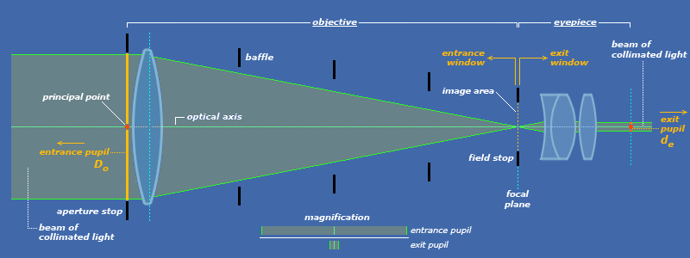

 | Exit pupil (mm) | SB (%)
 | 1 | 2
 | 2 | 8
 | 3 | 18
 | 4 | 32
 | 5 | 50
 | 6 | 72
 | 7 | 100

Calculations (1)
This worksheet allows the user to choose existing equipment (listed on the next worksheet) for the various input parameters (telescope and eyepiece, including practical limits for atmosphere and focal length eyepiece) can be indicated. Further calculations are based on the defined equations.

1. Input parameters

Telescope Selection |  | Do (mm) | fR
Sky-Watcher / Evoguide 50ED |  | 56.0 | 4.8
Multiplier Selection |  | Factor
None |  | 1.0
Eyepiece Selection |  | fe (mm) | FOVe (0)
Celestron / Plössl / 13 |  | 13 | 52
Practical Limits |  | Value
Atmosphere (magnification) |  | 200
Focal length eyepiece (mm) |  | 75

2. Operating Points

Scope | PR | 2.07 | arc seconds
 | Gmag | 4.74 | magnitude
 | Lmag | 10.74 | magnitude
 | fo | 268.8 | mm

Scope/Eyepiece | M | 21 |  | (between Mmin and Mmax?)
 | FOVscope | 2.51 | degrees
 | Dep | 2.71 | mm | (between 1 - 7 mm?)
 | SB | 14.7 | %
 | GL | 64 | 125 | (for Deye = 7 mm and 5 mm)

 | start with M | Maximum Magnification | Optimum Magnification | Wide Magnification | Minimum Magnification | start with fe
Special Cases | M (theory) | 56 | 28 | 24.0 | 33.6 | fe (mm) (theory)
 | Mmax | 56 | 28 | 24.0 | 33.6 | fe-max (mm)
 | Dep-min (mm) | 1.00 | 2.00 | 5.00 | 7.00 | Dep-max (mm)
 | fe-min (mm) | 4.8 | 9.6 | 11 | 8 | Mmin
 | SBmin (%) | 2.0 | 8.0 | 50.0 | 100.0 | SBmax (%)

Magnification
Focal length eyepiece
 |  | Min |  |  |  | Min
 |  | 8 |  |  |  | 4.8
 |  | Value |  |  |  | Value
 |  | 21 |  |  |  | 13.0
 |  | Max |  |  |  | Max
 |  | 56 |  |  |  | 33.6

Diameter exit pupil
Surface Brightness
 |  | Min |  |  |  | Min
 |  | 1.0 |  |  |  | 2.0
 |  | Value |  |  |  | Value
 |  | 2.71 |  |  |  | 14.7
 |  | Max |  |  |  | Max
 |  | 7.0 |  |  |  | 100.0

3. Object Visibility

Category |  | Selection |  | Magnitude |  |  | Examples | Magnification
Brightest star |  | Vega |  | 0.03 |  |  | Jupiter/Saturn | 80-100x
Nearest star |  | Procyon A |  | 0.34 |  |  | Moon | 50-100x
Planet |  | Full Moon (mean) |  | -12.74 |  |  | Pleiades | 20-30x
Messier |  | M42 |  | 4.00 |  |  | Beehive | 30-40x
Planetary nebulae (NGC, IC) |  | NGC 6790 |  | 10.50 |  |  | Orion nebulae | 100-150x
Herschel 400 (NGC) |  | 157 |  | 10.40 |  |  | Andromeda galaxy | 150-200x
 |  |  |  | (less than Lmag?)

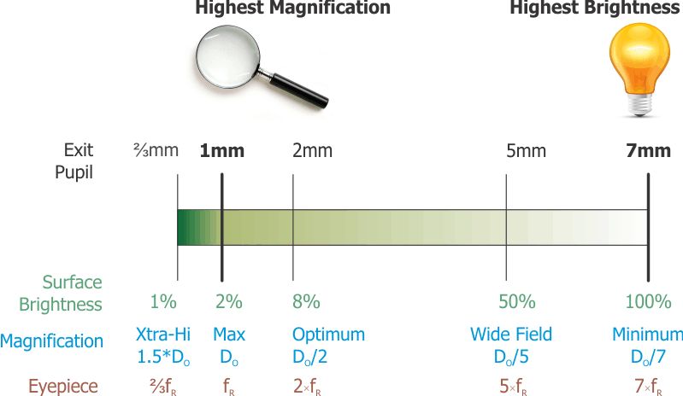
 |  |  |  |  |  |  |  | Angular diameters (planets)
 |  |  |  |  |  |  |  | Object | diameter |  | Graphical data
 |  |  |  |  |  |  |  | Mercury | 4.5 - 13.0'' |  | Magnitude
 |  |  |  |  |  |  |  | Venus | 9.6 - 66.0'' | min | 8 | 1
 |  |  |  |  |  |  | Most interesting | Mars | 3.5 - 25.1'' | max | 56 | 1
 |  |  |  |  |  |  |  | Jupiter | 29.8 - 50.1'' | selected | 21 | 1
 |  |  |  |  |  |  |  | Saturn | 14.9 - 20.8'' |  | Focal length eyepiece
 |  |  |  |  |  |  |  | Uranus | 3.3 - 4.1'' | min | 4.8 | 1
 |  |  |  |  |  |  |  | Neptune | 2.2 - 2.4'' | max | 33.6 | 1
 |  |  |  |  |  |  |  |  |  | selected | 13 | 1
 |  |  |  |  |  |  |  |  |  |  | Diameter exit pupil
 |  |  |  |  |  |  |  | Age (years) | Pupil Size | min | 1.0 | 1
SB -> |  |  |  |  |  |  |  | 20 or less | 7.7 | max | 7.0 | 1
 |  |  |  |  |  |  |  | 30 | 7.0 | selected | 2.71 | 1
M -> |  |  |  |  |  |  |  | 35 | 6.5 |  | Surface Brightness
 |  |  |  |  |  |  |  | 45 | 6.0 | min | 2.0 | 1
fe -> |  |  |  |  |  |  |  | 60 | 5.5 | max | 100.0 | 1
 |  |  |  |  |  |  |  | 80 | 5.0 | selected | 14.7 | 1
 |  |  |  |  |  |  |  |  | mm

Equipment
List your own equipment data here. |  |  |  |  |  |  |  | Currently not used, but will be in a future version.

A. Scopes |  |  | B. Multiplier (Extender/Reducer) |  | C. Eyepieces |  |  | D. Cameras |  |  |  |  |  | E. Filters

Manufacturer / Type | Do (mm) | fR | Manufacturer / Type | Factor | Manufacturer / Type | fe (mm) | FOVe | Manufacturer / Type | Resolution | Diagonal (mm) | Sensor Format | Color/Mono | Application | Manufacturer / Type | Diameter | Application
Celestron / NexStar (8'') | 203.2 | 10.0 | None | 1.0 | Celestron / Plössl / 40 | 40 | 43 | ZWO / ASI120MM Mini |  | 6 | 1/3'' | Mono | autoguiding | Rollei / Astroklar | 67 mm | light polution
Celestron / Evolution (8'') | 203.2 | 10.0 | Celestron / Barlow #93507 | 2.0 | Luminos / Fully Multi-Coated | 7 | 82 | ZWO / ASI224MC |  | 6.1 | 1/3'' | Color | planetary, autoguiding | Celestron / UHC/LPR | 1.25'' | light polution
Sky-Watcher / Virtuoso GTi | 127.0 | 11.8 | Celestron / Barlow E-lux | 2.0 | SVBONY | 26 | 70 | ZWO / ASI462MC |  | 6.4 | 1/2.8'' | Color | planetary, lunar, solar | Celestron / Narrowband O-III | 2'' | contrast (nebulae)
Sky-Watcher / Evoguide 50ED | 56.0 | 4.8 | Celestron / Barlow X-Cel LX | 3.0 | Celestron / Plössl / 13 | 13 | 52 | ZWO / ASI533MC Pro |  | 16 | 1'' | Color | deep-sky | Haida / Slim C-POL | 77 mm | reflection reduction
Lunt H-Alpha / 40mm | 40.0 | 10.0 | .. |  | Luminos / Fully Multi-Coated | 10 | 82 | ZWO / ASI585MC |  | 12.9 | 1/1.2'' | Color | planetary, lunar, solar | Optolong / UV/IR Cut | 1.25'' | improve sharpness
.. |  |  | .. |  | Celestron / X-Cel LX | 5 | 60 | ZWO / ASI290MM Mini |  | 6.4 | 1/3'' | Mono | autoguiding | B+W / UV-HAZE MRC | 67 mm | reduce uv
.. |  |  | .. |  | Lunt / Zoom Eyepiece (min) | 7.2 | 40 | ZWO / ASI178MM | 6.4 | 8.9 | 1/1.8'' | Mono | planetary, lunar, solar | B+W / UV-HAZE MRC nano | 67 mm | reduce uv
.. |  |  | .. |  | Lunt / Zoom Eyepiece (max) | 21.5 | 53 | Brenner / Deep-Sky Camera | 2.1 |  |  | Color | planetary, deep-sky, autoguiding | Celestron / No. 12 (deep yellow) | 2'' | planetary
.. |  |  | .. |  | Celestron / Plössl / 25 | 25 | 52 | Celestron / NexImage 5 | 5 |  |  | Color | planetary | Celestron / No. 21 (orange) | 2'' | planetary
.. |  |  | .. |  | Celestron / E-lux / 40 | 40 | 56 | .. |  |  |  |  |  | Celestron / No. 25 (red) | 2'' | planetary
.. |  |  | .. |  | Celestron / E-lux / 32 | 32 | 56 | .. |  |  |  |  |  | Celestron / No. 58 (green) | 2'' | planetary
.. |  |  | .. |  | Celestron / E-lux / 26 | 26 | 56 | .. |  |  |  |  |  | Celestron / No. 80A (blue) | 2'' | planetary
.. |  |  | .. |  | Celestron / Zoom (min) | 8 | 43 | .. |  |  |  |  |  | Rollei / F:X Pro Magnetic Mark II ND Set | 67 mm | ??
.. |  |  | .. |  | Celestron / Zoom (max) | 24 | 66 | .. |  |  |  |  |  | Kase / Clip-in Sony ND8 |  | low light landscape
.. |  |  | .. |  | .. |  |  | .. |  |  |  |  |  | Kase / Clip-in Sony ND16 |  | low light landscape
.. |  |  | .. |  | .. |  |  | .. |  |  |  |  |  | Kase / Clip-in Sony ND32 |  | low light landscape
.. |  |  | .. |  | .. |  |  | .. |  |  |  |  |  | Kase / Clip-in Sony ND64 |  | low light landscape
.. |  |  | .. |  | .. |  |  | .. |  |  |  |  |  | Kase / Clip-in Sony ND1000 |  | low light landscape
.. |  |  | .. |  | .. |  |  | ..
.. |  |  | .. |  | .. |  |  | ..
.. |  |  | .. |  | .. |  |  | ..
.. |  |  | .. |  | .. |  |  | ..
.. |  |  | .. |  | .. |  |  | ..
.. |  |  | .. |  | .. |  |  | ..
.. |  |  | .. |  | .. |  |  | ..
.. |  |  | .. |  | .. |  |  | ..
.. |  |  | .. |  | .. |  |  | ..
.. |  |  | .. |  | .. |  |  | ..
.. |  |  | .. |  | .. |  |  | ..
.. |  |  | .. |  | .. |  |  | ..
.. |  |  | .. |  | .. |  |  | ..
.. |  |  | .. |  | .. |  |  | ..
.. |  |  | .. |  | .. |  |  | ..
.. |  |  | .. |  | .. |  |  | ..
.. |  |  | .. |  | .. |  |  | ..

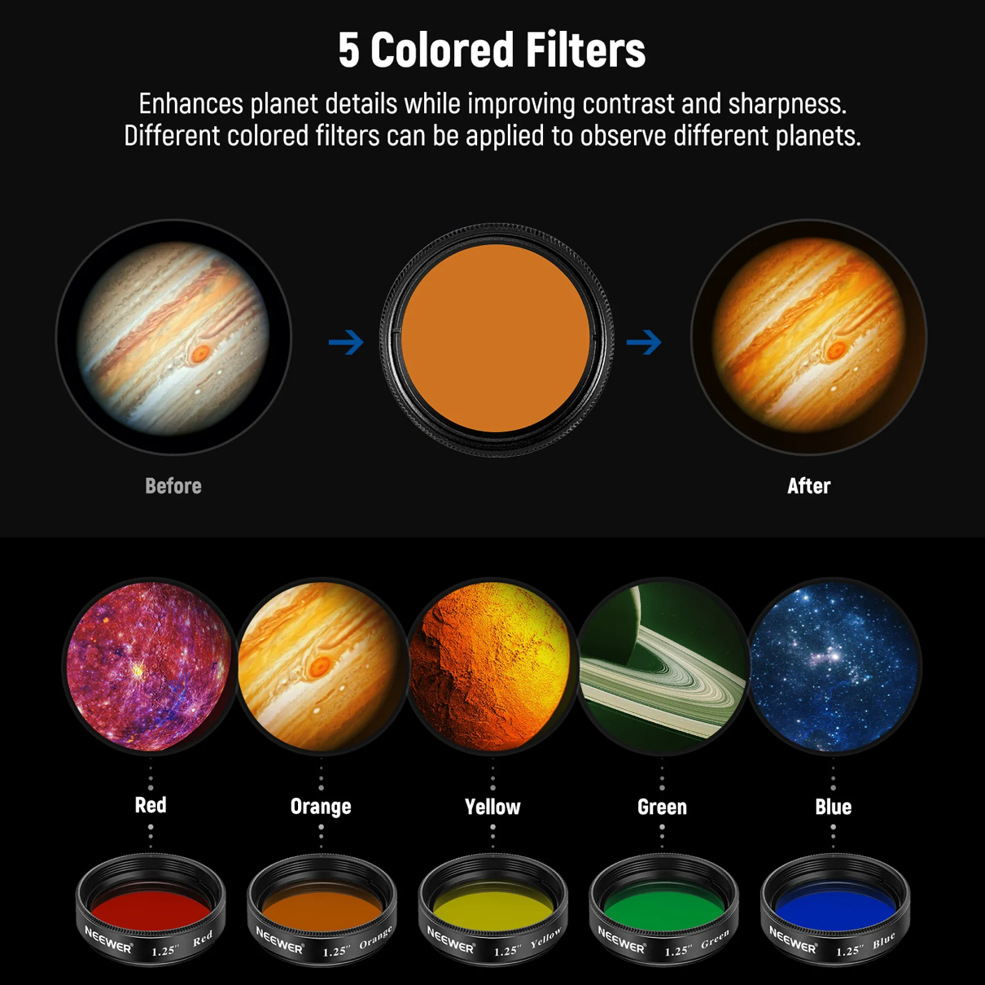

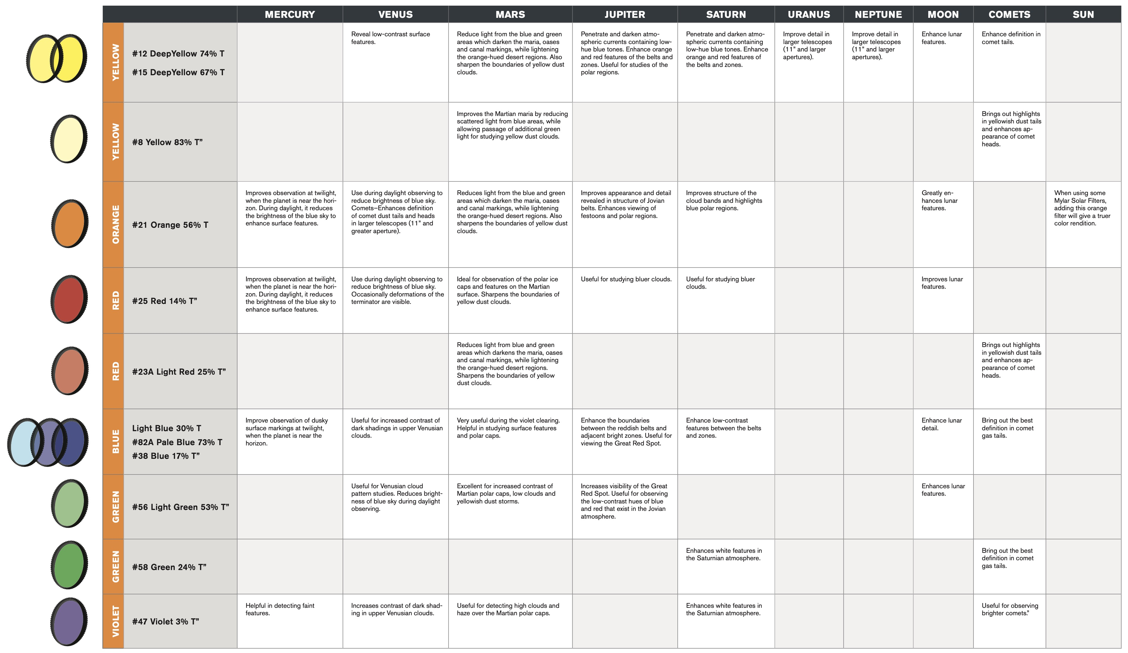

Calculations (2)
This worksheet does not use existing equipment, but allows users to choose their own values for the various input parameters (telescope, eyepiece and practical limits). Further calculations are analogous.

1. Input parameters

 |  | Inputs
 | Parameter | Selection | Min |  |  |  | Max
Scope | Do (mm) | 228 | 0 |  |  |  | 500
 | fR | 10.1 | 1.0 |  | 101 |  | 20.0
 | Multiplier | 1.0 | 0.1 |  | 10 |  | 5.0
Eyepiece | fe (mm) | 12 | 1 |  |  |  | 100
 | FOVe (o) | 52 | 1 |  |  |  | 100
Practical Limits | Atmosphere (magnitude) | 203 | 50 |  |  |  | 500
 | focal length eyepiece (mm) | 70 | 10 |  |  |  | 100

2. Operating Points

Scope | PR | 0.51 | arc seconds
 | Gmag | 7.79 | magnitude
 | Lmag | 13.79 | magnitude
 | fo | 2,302.8 | mm

Scope/Eyepiece | M | 192 |  | (between Mmin and Mmax?)
 | FOVscope | 0.27 | degrees
 | Dep | 1.19 | mm | (between 1 - 7 mm?)
 | SB | 2.8 | %
 | GL | 1,061 | 2,079 | (for Deye = 7 mm and 5 mm)

 | start with M | Maximum Magnification | Optimum Magnification | Wide Magnification | Minimum Magnification | start with fe
Special Cases | M (theory) | 228 | 114 | 50.5 | 70.7 | fe (mm) (theory)
 | Mmax | 203 | 114 | 50.5 | 70.0 | fe-max (mm)
 | Dep-min (mm) | 1.12 | 2.00 | 5.00 | 6.93 | Dep-max (mm)
 | fe-min (mm) | 11.3 | 20.2 | 46 | 33 | Mmin
 | SBmin (%) | 2.5 | 8.0 | 50.0 | 98.0 | SBmax (%)

Magnification
Focal length eyepiece
 |  | Min |  |  |  | Min
 |  | 33 |  |  |  | 11.3
 |  | Value |  |  |  | Value
 |  | 192 |  |  |  | 12.0
 |  | Max |  |  |  | Max
 |  | 228 |  |  |  | 70.0

Diameter exit pupil
Surface Brightness
 |  | Min |  |  |  | Min
 |  | 1.1 |  |  |  | 2.5
 |  | Value |  |  |  | Value
 |  | 1.19 |  |  |  | 2.8
 |  | Max |  |  |  | Max
 |  | 6.9 |  |  |  | 98.0

3. Object Visibility

Category |  | Selection |  | Magnitude
Brightest star |  | Procyon |  | 0.40
Nearest star |  | Procyon A |  | 0.34
Planet |  | Full Moon (mean) |  | -12.74
Messier |  | M42 |  | 4.00
Planetary nebulae (NGC, IC) |  | NGC 6790 |  | 10.50
Herschel 400 (NGC) |  | 157 |  | 10.40
 |  |  |  | (less than Lmag?)

 |  |  |  |  |  |  | diameter |  | Graphical data
 |  |  |  |  |  |  | 4.5 - 13.0'' |  | Magnitude
 |  |  |  |  |  |  | 9.6 - 66.0'' | min | 33 | 1
 |  |  |  |  |  |  | 3.5 - 25.1'' | max | 228 | 1
 |  |  |  |  |  |  | 29.8 - 50.1'' | selected | 192 | 1
 |  |  |  |  |  |  | 14.9 - 20.8'' |  | Focal length eyepiece
 |  |  |  |  |  |  | 3.3 - 4.1'' | min | 11.3 | 1
 |  |  |  |  |  |  | 2.2 - 2.4'' | max | 70.0 | 1
 |  |  |  |  |  |  |  | selected | 12 | 1
 |  |  |  |  |  |  |  |  | Diameter exit pupil
 |  |  |  |  |  |  | Pupil Size | min | 1.1 | 1
SB -> |  |  |  |  |  |  | 7.7 | max | 6.9 | 1
 |  |  |  |  |  |  | 7.0 | selected | 1.19 | 1
M -> |  |  |  |  |  |  | 6.5 |  | Surface Brightness
 |  |  |  |  |  |  | 6.0 | min | 2.5 | 1
fe -> |  |  |  |  |  |  | 5.5 | max | 98.0 | 1
 |  |  |  |  |  |  | 5.0 | selected | 2.8 | 1
 |  |  |  |  |  |  | mm

